Sheet1
Dear Parents,
Congratulations to your son/daughter for making this year's Winter Mainstage Musical, "ALL SHOOK UP!"
Please electronically fill out the Production Order Form for your student(s) involved with this show (note, you may have to enable editing after you download the form). Fill out the form prior to printing & return with your check, money order, or VENMO payment (please do not pay with cash). Please fill in the highlighted QTY column & the price will automatically fill in. For t-shirts & Parent Ads PLEASE click on the cells to see the drop-down arrow choices for sizes. The cast, crew, & pit will be served FIVE meals (listed below) for this show. PLEASE inform us below if your student has a food allergy we need to be aware of. Please note... ONLY Cast members need to enter a quantity of 1 for the production fee of $25.

It takes a lot of parent volunteers to make each show go smoothly. The more we give of our time, the more successful our students' program will be. So please jump in and lend a hand when needed. There will be a Signupgenius coming out soon for volunteer opportunities. Most require very little time or effort.

As part of this production, there are a few costs that aren’t covered by the district. Below is a list of required and optional fees for your son or daughter to participate in this production. Anyone needing financial assistance please speak to Mr. Shafer directly.

Make sure to enter a Qty highlighted in yellow below for the items you want. Return this form along with check, money order, or VENMO to Mr. Shafer by Friday, December 6th.
PLEASE fill in the following information ELECTRONICALLY!
Student's Name
Cast or Crew?
Parent/Guardian's Name
Parent/Guardian Email address
2nd Parent/Guardian Name (if applicable)
2nd Parent/Guardian Email address
Parent's Phone number(s)

Item # | Description | Size(s) | Color | Qty | Unit price | Total Price
1 | Meal Fee (Required for Cast, Crew, & Pit) | N/A | N/A | 5 | $7.00 | $35.00
 | PLEASE LIST ANY SPECIFIC DIETARY NEEDS HERE =>
2 | Costume/Production Fee - Required for Cast Only N/A |  | N/A | 0 | $25.00 | $0.00
 | Optional Fees:
3 | Show T-shirt (indicate size =>) |  | N/A | 0 | $12.00 | $0.00
 | 2nd T-shirt (indicate size =>) |  | N/A | 0 | $12.00 | $0.00
5 | Makeup Kit (indicate color =>) | N/A |  | 0 | $20.00 | $0.00
6 | Photos CD | N/A | N/A | 0 | $20.00 | $0.00
7 | Video DVD | N/A | N/A | 0 | $25.00 | $0.00
8 | Parent Program Ad (choose size & unit price =>) |  | N/A | 0 |  | $0.00

TOTAL - please indicate method of payment CHECK # |  |  | Money Order # |  | VENMO | $35.00
 |  |  |  |  | (please circle)
Please make checks out to OE Drama Mamas & Papas or
VENMO - @olatheeastdmp (Marjean Caresia)
Be aware, cashing of checks may be delayed due to timing of packets being returned. Return this invoice with your payment type or circle VENMO to Mr. Shafer by Friday, December 6th.

To purchase a Program Ad for your child please fill out the Parent Program Ad. Submit the form to Mr. Shafer at eshaferoe@olatheschools.org by Monday, January 13th. If you have any questions please contact us at:

oetheatredmp@gmail.com

Meals Provided - Taco Bar (1/20), Pancake Breakfast (1/25), Celebrities (1/28), Firehouse Subs (1/29),
Olive Garden (2/1)

Make up kit color options
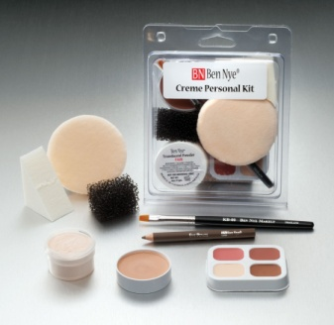

 | Small


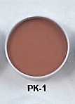
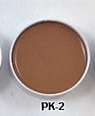
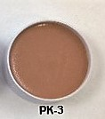

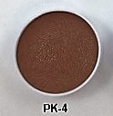
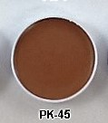
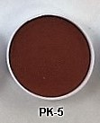
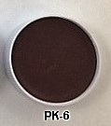

 | Parent Program Ad sizes:
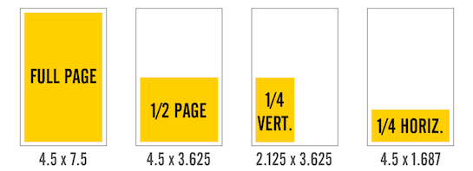

 | Full Page - $60.00 1/2 Page - $30.00 1/4 Page - $20.00

